SANG-ANRG spread
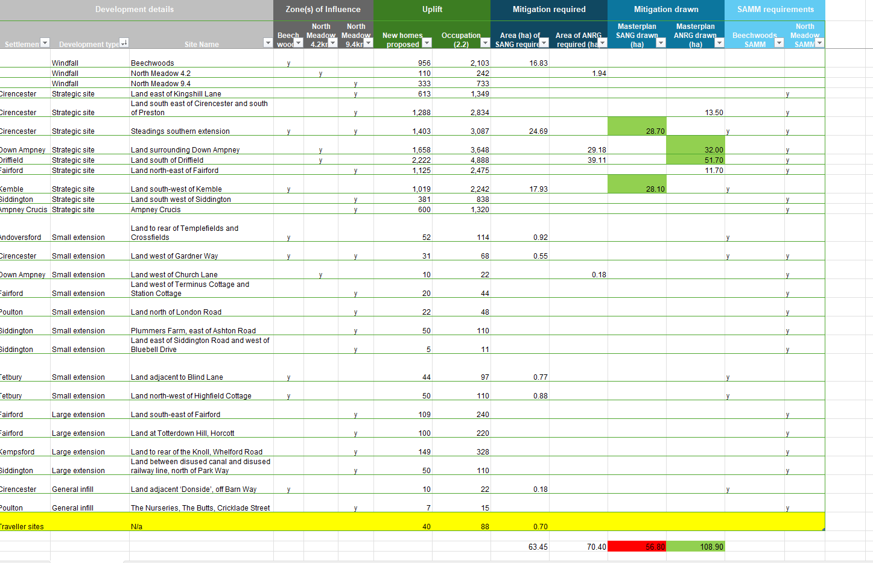
2026-07-06

Development type | New homes proposed | Occupation (2.2) | Area of SANG required (ha) | Area of ANRG required (ha)
Non-strategic; non-principal settlements | 188 | 414 |  | 0.18
Non-strategic; principal settlements | 425 | 935 | 1.6
Saved allocations from 2011-31 Local Plan | 96 | 211 | 1.69
Strategic Site | 9,491 | 20,880 | 28.23 | 68.29
Windfall | 1,264 | 2,781 | 15.54 | 1.8
Grand Total | 11,464 | 25,221* | 47.06 | 70.26

 |  | Amount outside SS | 18.83 | 1.98

