Scoring guides & thresholds & r
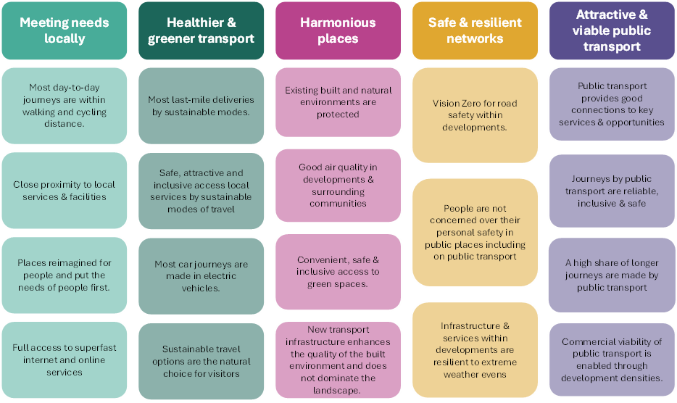
Development Area | Number of Dwellings in Local Plan |  |  | Cotswold Objectives
Cotswold: Cirencester | 2997
Cotswold: Moreton-In-Marsh | 2223
Cotswold: Kemble | 1917
Cotswold: Down Ampny | 1305
Cotswold: Mickleton | 1214
Cotswold: Fosse Farm | 1152
Cotswold: Fairford | 1094

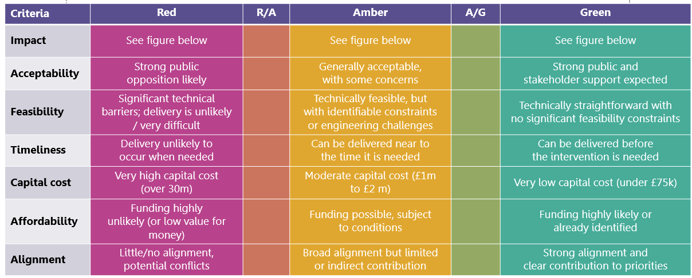

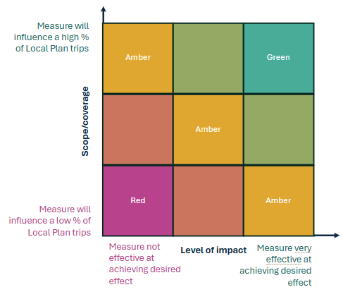

 |  | Cost | Range
 |  | R | £30million+
 |  | A/R | £2-30million
 |  | A | £1-2million
 |  | G/A | £75k to £1million
 |  | G | <£75k

